Info
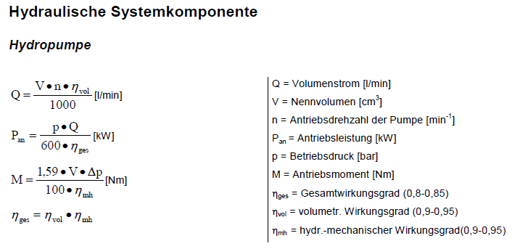
Datum | Wer | Was
2021-02-15 | MH | Daten TH Maschinen von Richard Wagner erhalten. Erstentwurf erstellen
2021-02-24 | MH | Anpassungen der Daten und Wirkungsgrade nach Rücksprache mit RW
2021-02-26 | MH | bekannte Motoren mit 1500rpm in DL4 Tabelle eingefügt
2021-03-02 | MH | Auslegungen nach Rücksprache mit Richard Wagner angepasst
2021-05-03 | MH | Korrektur Regler 17F6- Typenschlüssel und Schaltfrequenz korrigiert
2024-06-17 | MH | Update DL4 motor data

InjectionMoldingMachine
Machine cycle
 | Pressure [bar] |  | Speed [lpm] |  | Eff. Pressure [bar]
0.00 | 181 | 0.00 | 25.7 | 0.00 | 58.0
2.00 | 181 | 2.00 | 25.7 | 32.33 | 58.0
2.00 | 34.482758621 | 2.00 | 24.3
4.00 | 34.482758621 | 4.00 | 24.3
4.00 | 34.482758621 | 4.00 | 0.0
24.00 | 34.482758621 | 24.00 | 0.0
24.00 | 34.482758621 | 24.00 | 21.3
25.33 | 34.482758621 | 25.33 | 21.3
25.33 | 34.482758621 | 25.33 | 0.0
30.33 | 34.482758621 | 30.33 | 0.0
30.33 | 0 | 30.33 | 0.0
30.33 | 0 | 30.33 | 0.0
30.33 | 68.965517241 | 30.33 | 7.8
31.33 | 68.965517241 | 31.33 | 7.8
31.33 | 68.965517241 | 31.33 | 7.8
32.33 | 68.965517241 | 32.33 | 7.8
32.33 |  | 32.33
32.33 |  | 32.33
32.33 |  | 32.33
32.33 |  | 32.33
32.33 |  | 32.33
32.33 |  | 32.33
32.33 |  | 32.33
Pump / Drive unit type |  |  |  | Example 1250 |  |  |  | Pump Calculator |  |  |  |  |  |  | Calculations
 |  |  |  |  |  |  | Cylinder | Clamp Bore Diameter |  |  |  | 3.25 | in |  |  |  |  |  |  |  |  |  |  |  |  | 1 Determine Required Pressure
Appl data | Qmax - Oil flow of all pumps | [l/min] |  | 25.1 |  |  |  | Clamp Rod Diameter |  |  |  | 2 | in |  |  |  |  |  |  |  |  |  |  |  |  | P | 181.1 | bar | 18110000 | pa | 2625.95 | psi
 | Projected injection speed | [mm/s] |  | 110 |  |  |  | Clamp Stroke Length |  |  |  | 8 | in |  |  |  |  |  |  |  |  |  |  |  |  | bore dia | 3.25 | in
 | A2 Injection Piston Area | [cm²] |  | 263.9 |  |  | Motor Pump | Clamping Pressure |  |  |  | 181.1 | bar |  |  |  |  |  |  |  |  |  |  |  |  | rod dia | 2 | in
 |  |  |  |  |  |  |  | Time of Stroke |  |  |  | 1.8 | s |  |  |  |  |  |  |  |  |  |  |  |  | A | 0.0033252783239 | m2 | 5.1541814021 | in2
 | Calculated injection speed | [mm/s] |  | 15.8 |  |  |  | Pump Speed |  |  |  | 2300 | rpm |  |  |  |  |  |  |  |  |  |  |  |  | F | 6.1408116377 | T | 60220.790447 | N
 | Max speed in application | [rpm] |  | 2500 | 2533 |  |  | Motor Efficiency |  |  |  | 0.9
 | Acceleration time for max speed | [s] |  | 0.5 | 83.33 s⁻² |  | Results | Clamping Force |  |  |  | 6.1408116377 | T |  |  |  |  |  |  |  |  |  |  |  |  | 2 Determine Flow Rate
 |  |  |  |  |  |  |  | Calculated Flow Rate (V/t) |  |  |  | 22.523263561 | l/min |  |  |  |  |  |  |  |  |  |  |  |  | A | 0.0033252783239 | m2
Pump data | Pump type |  |  | DHPH2_011 |  | <-- Select |  | Pump Displacement |  |  |  | 9.7913043478 | cc/rev |  |  |  |  |  |  |  |  |  |  |  |  | L | 8 | in | 0.2032004064 | m
 | Displacement volume | [cm³] |  | 10.9 |  |  |  |  |  |  |  |  |  |  |  |  |  |  |  |  |  |  |  |  |  | V | 0.00067569790682 | m3 | 675.69790682 | cm3
 | Inertia pump | [kgcm²] |  | 2.7
 | ηvol | [1] |  | 0.93 | ηtotal 0.86 |  |  |  |  |  |  |  |  |  |  |  |  |  |  |  |  |  |  |  |  | t | 1.8 | s
 | ηhm | [1] |  | 0.92 |  |  |  |  |  |  |  |  |  |  |  |  |  |  |  |  |  |  |  |  |  | Q | 0.00037538772601 | m3/s | 22.523263561 | l/min
 | pump pflow | [l/min] |  | 25.07
 |  |  |  |  |  |  |  |  |  |  |  |  |  |  |  |  |  |  |  |  |  |  |  |  |  | 3 Determine Pump Displacement
 |  |  |  | Calculation reserve: |  | 10% |  | Simple calculation |  |  |  |  |  |  | Consider acceleration and inertia |  |  |  |  |  |  |  |  |  |  | Q | 22.52 | l/min | desired/actual
 |  |  |  |  |  |  |  |  |  |  |  |  |  |  | Jg: | 17.8 | kgcm² | 1.0 |  |  |  |  |  |  |  | n | 2300 | rpm
 | Reference cycle for motor and drive calculation |  |  |  |  |  |  | MPump | nPump | PInPump | fMotor | Mp+Res | PM |  | Δn | tB | MB2 | M2Peak | M2Eff | PInPump | Mp+Res | PM |  |  |  | D | 9.7913043478 | cc/rev
 |  |  |  | [bar] | [s] | [l/min] | 0 | [Nm] | [rpm] | [kW] | [Hz] | [Nm] | [kW] |  | [rpm] | [s] | [Nm] | [Nm] | [Nm] | [kW] | [Nm] | [kW]
Machine cycle | Clamp closing 1 |  |  | 181 | 2.00 | 25.7 | 0.00 | 34.1 | 2532.9 | 9.1 | 169 | 37.5 | 10.0 |  | 2533 | 0.51 | 0.9 | 35.1 | 30.9 | 8.2 | 33.9 | 9.0 |  |  |  | 4 Determine Motor Power
 | Clamp closing 2 - High pressure |  |  | 34.482758621 | 2.00 | 24.3 | 2.00 | 6.5 | 2399.6 | 1.6 | 160 | 7.2 | 1.8 |  | -133 | 0.03 | -0.9 | 5.6 | 6.8 | 1.7 | 7.5 | 1.9 |  |  |  | Psys | 181.1 | bar
 | Injection 1 |  |  | 34.482758621 | 20.00 | 0.0 | 4.00 | 6.5 | 0.0 | 0.0 | 0 | 7.2 | 0.0 |  | -2400 | 0.48 | -0.9 | 5.6 | 6.5 | 0.0 | 7.1 | 0.0 |  |  |  | Q | 22.52 | l/min
 | Injection 2 - Peak |  |  | 34.482758621 | 1.33 | 21.3 | 24.00 | 6.5 | 2099.7 | 1.4 | 140 | 7.2 | 1.6 |  | 2100 | 0.42 | 0.9 | 7.4 | 6.8 | 1.5 | 7.5 | 1.6 |  |  |  | eff | 0.9 | n/a
 | Injection 3 - Holding pressure |  |  | 34.482758621 | 5.00 | 0.0 | 25.33 | 6.5 | 0.0 | 0.0 | 0 | 7.2 | 0.0 |  | -2100 | 0.42 | -0.9 | 5.6 | 6.4 | 0.0 | 7.1 | 0.0 |  |  |  | Pmotor | 7.5525407407 | kW
 | Plasticizing |  |  | 0 | 0.00 | 0.0 | 30.33 | 0.0 | 0.0 | 0.0 | 0 | 0.0 | 0.0 |  | 0 | 0.00 | 0.0 | 0.0 | 0.0 | 0.0 | 0.0 | 0.0
 | Clamp opening 1 - High pressure release |  |  | 68.965517241 | 1.00 | 7.8 | 30.33 | 13.0 | 771.3 | 1.1 | 51 | 14.3 | 1.2 |  | 771 | 0.15 | 0.9 | 13.9 | 12.3 | 1.0 | 13.5 | 1.1
 | Clamp opening 2 |  |  | 68.965517241 | 1.00 | 7.8 | 31.33 | 13.0 | 771.3 | 1.1 | 51 | 14.3 | 1.2 |  | 0 | 0.00 | 0.0 | 13.0 | 13.0 | 1.1 | 14.3 | 1.2
 | Ejector forward |  |  |  |  |  | 32.33 | 0.0 | 0.0 | 0.0 | 0 | 0.0 | 0.0 |  | -771 | 0.15 | -0.9 | -0.9 | 0.0 | 0.0 | 0.0 | 0.0
 | Ejector backward |  |  |  |  |  | 32.33 | 0.0 | 0.0 | 0.0 | 0 | 0.0 | 0.0 |  | 0 | 0.00 | 0.0 | 0.0 | 0.0 | 0.0 | 0.0 | 0.0
 | Pause |  |  |  |  |  | 32.33 | 0.0 | 0.0 | 0.0 | 0 | 0.0 | 0.0 |  | 0 | 0.00 | 0.0 | 0.0 | 0.0 | 0.0 | 0.0 | 0.0
 |  |  |  |  |  |  | 32.33 | 0.0 | 0.0 | 0.0 | 0 | 0.0 | 0.0 |  | 0 | 0.00 | 0.0 | 0.0 | 0.0 | 0.0 | 0.0 | 0.0
 | Pause |  |  | 0 | 4.00 | 0.0
 | Summary |  |  |  | 32.33 |  |  |  |  |  |  |  |  |  |  | 2.16 |  |  |  |  |  |  |  |  |  |  | l/min
 | Average / effective |  |  | 58.0 |  |  |  | 10.9 | 439.4 | 0.8 |  | 12.0 | 0.9 |  |  |  | 0.9 |  | 10.3 | 0.7 | 11.3 | 0.8 |  |  |  |  | rpm
 |  |  |  |  |  |  |  |  |  |  |  |  |  |  |  |  |  |  |  |  |  |  |  |  |  |  | cc/rev
 | Max. values |  |  | 181.0 |  | 25.7 |  | 34.1 | 2532.9 | 9.1 |  | 37.5 | 10.0 |  |  |  |  | 35.1 | 30.9 | 8.2 | 33.9 | 9.0 |  |  |  |  | 3000 rpm * 11 cc/rev = 33

 | Cycle data for Motorselection |  |  |  |  |  |  | Possible values with selected motor |  |  |  |  |  |  |  |  | Drive requirements based on cycle and motor
 | Average speed | [rpm] |  | 439.4 |  |  |  |  |  |  |  |  |  |  | Motor load
 | Max. speed | [rpm] |  | 2532.9 | 20.00 | [s] |  | Speed possible with max. 1,25 x n @380V |  |  |  |  | 4419 | [rpm]
 | Effective torque | [Nm] |  | 12.0 |  |  |  | Continuous motor torque at avg speed |  |  |  |  | 21.4 | [Nm] | 56.3% |  | Current based on "Eff. torque" |  |  |  |  |  |  | 7.5 | [A]
 | Max. torque | [Nm] |  | 38.6 | 1.33 | [s] |  | Peak torque motor |  |  |  |  | 50.0 | [Nm] | 77.1% |  | Peak cycle current |  |  |  |  |  |  | 24.1 | [A]
 | Average power | [kW] |  | 0.8 |  |  |  | Nominal motor power |  |  |  |  | 5.2 | [kW] | 15.6%
 | Max. power | [kW] |  | 9.0
Motor characteristic
 | M (S1) |  | Mpeak |  | Eff. operation point |  | Max. operation point
0 | 22.0 | 0 | 50 | 439.4 | 12.0 | 2532.9 | 38.6
3000 | 16.5 | 3000 | 50
 | Selected Motor: | V4 SE L4 CS SP30 |  |  |  | <-- Step 1 |  |  |  |  |  |  |  |  |  |  | Selected drive: |  |  |  | 15F6A12-3511 |  |  |  | <-- Step 2
 |  | BR |  | 074304
 | Stall Torque, Ton | [Nm] |  | 22.0 |  |  |  |  |  |  |  |  |  |  |  |  | Rated power |  |  |  |  |  | 11 | [kW]
 | Nominal Power, Pn | [kW] |  | 5.18 |  |  |  |  |  |  |  |  |  |  |  |  | Nominal current In |  |  |  |  |  | 24 | [A] | 67%
 | Nominal Torque, Tn | [Nm] |  | 16.5 |  |  |  |  |  |  |  |  |  |  |  |  | SW current limit (standard) |  |  |  |  |  | 36 | [A]
 | Nominal speed, n | [rpm] | 0 | 3000 | 3535 |  |  |  |  |  |  |  |  |  |  |  | Overcurrent IOC |  |  |  |  |  | 43.2 | [A]
 | Peak torque 20°C, Tpk | [Nm] | 0 | 50
 | Nominal current, In | [Arms] |  | 10.3 |  |  |  |  |  |  |  |  |  |  |  |  | Max. current fout=0Hz @5kHz |  |  |  |  |  | 0 | [A]
 | Inertia, Jm | [kgcm²] |  | 15 |  |  |  |  |  |  |  |  |  |  |  |  | Max. current fout=6Hz @5kHz |  |  |  |  |  | 21.12 | [A]
 | Torque costant at nom. current, kt | [Nm/A] |  | 1.60 |  |  |  |  |  |  |  |  |  |  |  |  | Max. current fout=25Hz @5kHz |  |  |  |  |  | 39.6 | [A]
 | Nominal voltage, Vn | [Vrms] |  | 322 |  |  |  |  |  |  |  |  |  |  |  |  | Max. current fout=50Hz @5kHz |  |  |  |  |  | 43.2 | [A]
 | Weight, m | [kg] |  | 16.6 |  |  |  |  |  |  |  |  |  |  |  |  |  | Safetyfact SW current |  |  |  |  | 0.83 | 150 | [%]

KEB_Drives
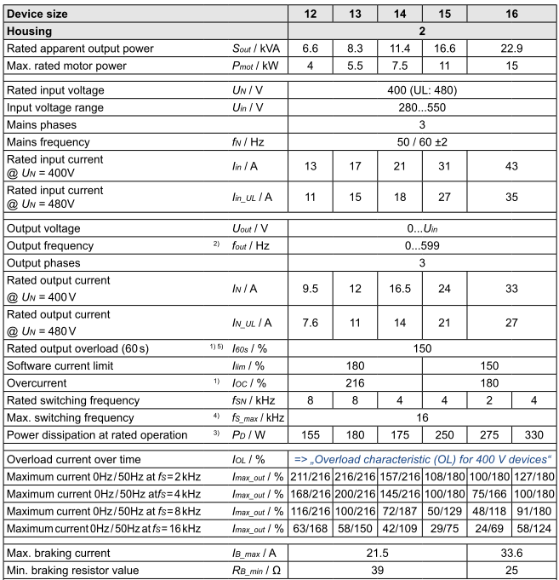
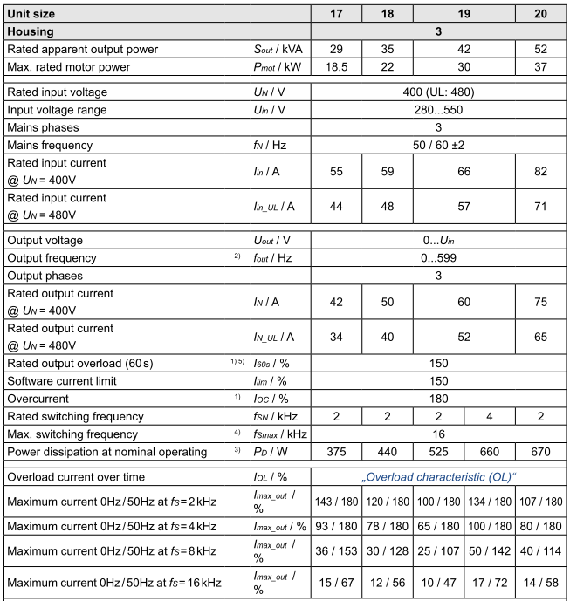
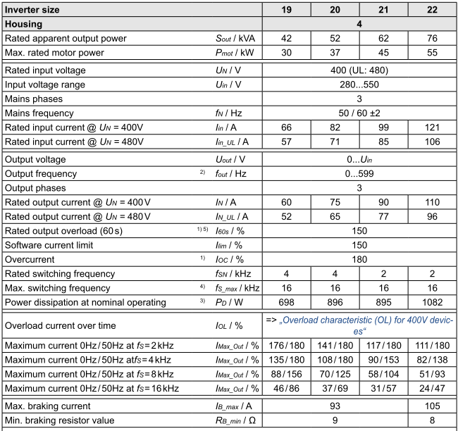
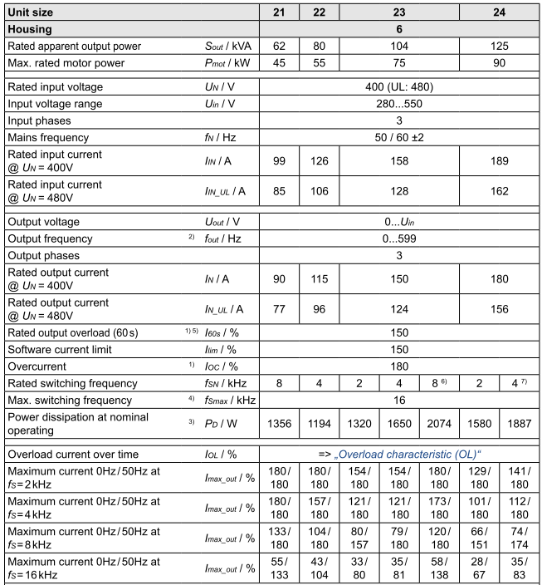
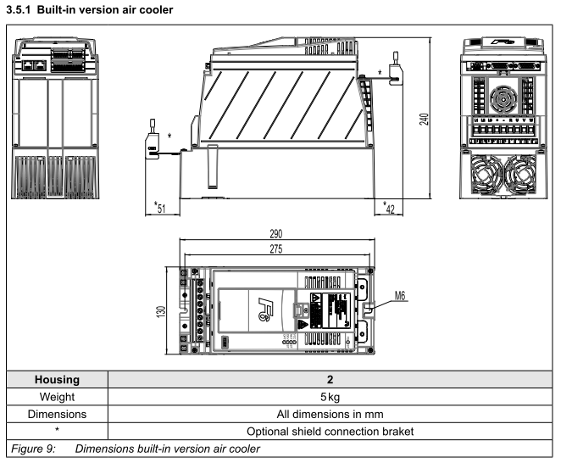
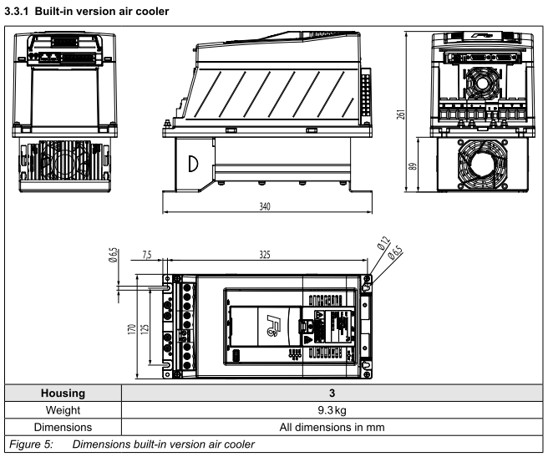
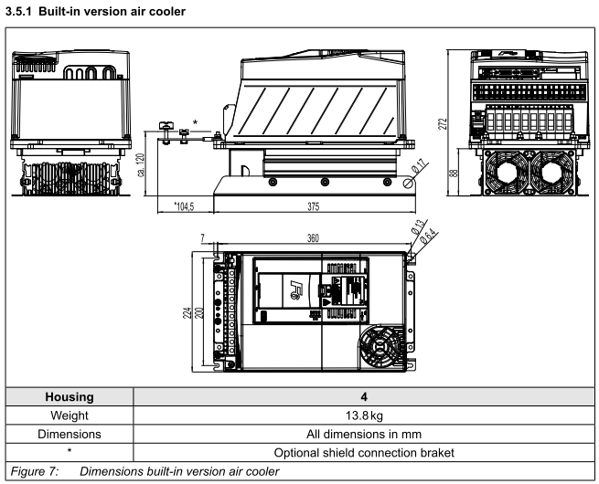
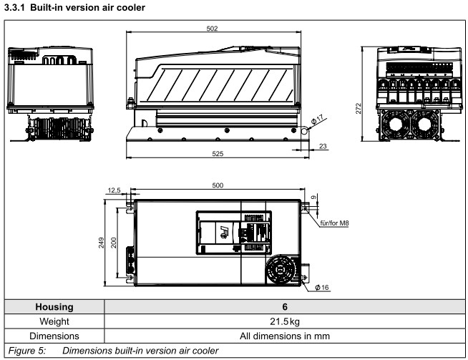
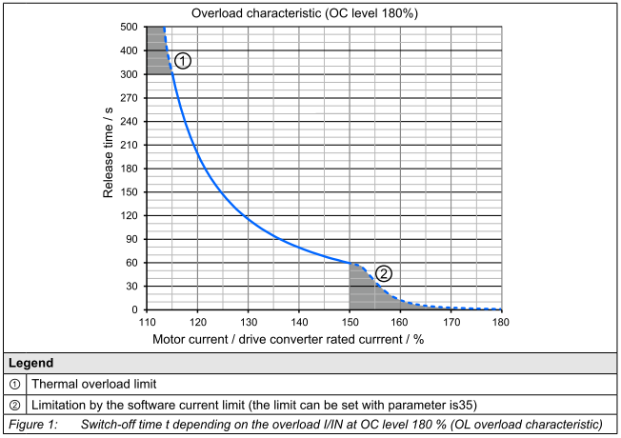
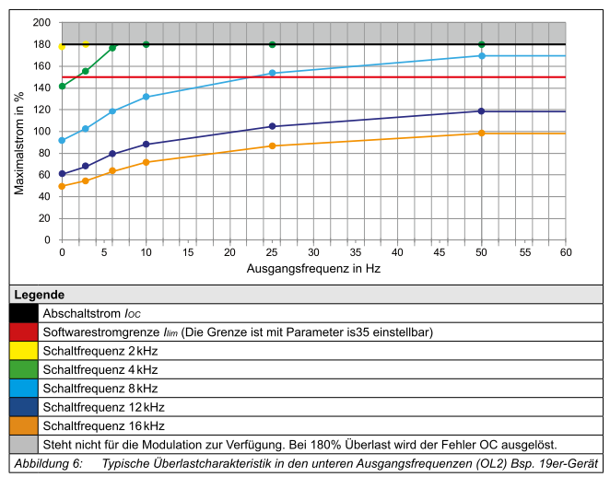
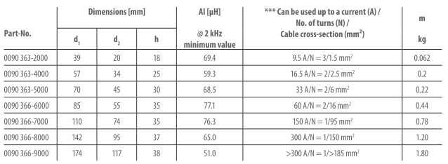
KEBDrive |  |  |  |  |  |  |  |  |  |  |  | Accesoires
Part number | Housing | P [kW] | Inom [A] | IOL [%] | Imax [%] | fsnom [kHz] | Inenn_5kHz | Imax0Hz_5kHz | Imax6Hz_5kHz | Imax25Hz_5kHz | Imax50Hz_5kHz | Shieldingset control part | Shieldingset power part | Connector | Filter | Choke | Ferrite | Encoder cable | 0Hz/5kHz | 6Hz/5kHz | 25Hz/5kHz | 50Hz/5kHz
15F6A12-3511 | 2 | 11 | 24 | 150 | 180 | 4 |  | 88 | 165 | 180 | 180 | 00F6V80-2000 | 00F6V80-2001 | 00F6V80-001A | 16E6T60-3000 | 15Z1B04-1000 | 0090366-5000 | 00S6L50-1005 | 0.0 | 0.0 | 0.0 | 0.0
16F6A12-3511 | 2 | 15 | 33 | 150 | 180 | 4 | 30 | 69 | 137 | 152 | 180 | 00F6V80-2000 | 00F6V80-2001 | 00F6V80-001A | 16E6T60-3000 | 16Z1B04-1000 | 0090366-5000 | 00S6L50-1005 | 17.3 | 34.3 | 38.0 | 45.0
17F6A13-3411 | 3 | 18.5 | 42 | 150 | 180 | 2 |  | 79 | 148 | 180 | 180 | 00F6V80-2000 | 00F6V80-3001 | 00F6V80-001A | 18E6T60-3000 | 17Z1B04-1000 | 0090366-6000 | 00S6L50-1005 | 0.0 | 0.0 | 0.0 | 0.0
18F6A13-3411 | 3 | 22 | 50 | 150 | 180 | 2 | 43 | 66 | 124 | 180 | 180 | 00F6V80-2000 | 00F6V80-3001 | 00F6V80-001A | 18E6T60-3000 | 18Z1B04-1000 | 0090366-6000 | 00S6L50-1005 | 23.7 | 44.4 | 64.5 | 64.5
19F6A13-3511 | 3 | 30 | 60 | 150 | 180 | 4 | 49 | 88 | 160 | 180 | 180 | 00F6V80-2000 | 00F6V80-3001 | 00F6V80-001A | 20E6T60-3000 | 19Z1B04-1000 | 0090366-6000 | 00S6L50-1005 | 35.9 | 65.3 | 73.5 | 73.5
19F6A14-3511 | 4 | 30 | 60 | 150 | 180 | 4 |  | 123 | 154 | 180 | 180 | --N/A-- | 00F6V80-4001 | 00F6V80-001A | 20E6T60-3000 | 19Z1B04-1000 | 0090366-6000 | 00S6L50-1005 | 0.0 | 0.0 | 0.0 | 0.0
20F6A13-3411 | 3 | 37 | 75 | 150 | 180 | 2 |  | 70 | 128 | 157 | 164 | 00F6V80-2000 | 00F6V80-3001 | 00F6V80-001A | 20E6T60-3000 | 20Z1B04-1000 | 0090366-7000 | 00S6L50-1005 | 0.0 | 0.0 | 0.0 | 0.0
20F6A14-3511 | 4 | 37 | 75 | 150 | 180 | 4 | 63 | 98 | 123 | 154 | 169 | --N/A-- | 00F6V80-4001 | 00F6V80-001A | 20E6T60-3000 | 20Z1B04-1000 | 0090366-7000 | 00S6L50-1005 | 51.5 | 64.6 | 80.9 | 88.7
21F6A14-3411 | 4 | 45 | 90 | 150 | 180 | 2 |  | 82 | 102 | 128 | 141 | --N/A-- | 00F6V80-4001 | 00F6V80-001A | 22E6T60-3000 | 21Z1B04-1000 | 0090366-7000 | 00S6L50-1005 | 0.0 | 0.0 | 0.0 | 0.0
21F6A16-3611 | 6 | 45 | 90 | 150 | 180 | 8 | 90 | 180 | 180 | 180 | 180 | --N/A-- | --N/A-- | 00F6V80-001A | 22E6T60-3000 | 21Z1B04-1000 | 0090366-7000 | 00S6L50-1005 | 135.0 | 135.0 | 135.0 | 135.0
22F6A14-3411 | 4 | 55 | 110 | 150 | 180 | 2 | 68 | 75 | 95 | 116 | 127 | --N/A-- | 00F6V80-4001 | 00F6V80-001A | 22E6T60-3000 | 22Z1B04-1000 | 0090366-7000 | 00S6L50-1005 | 42.5 | 53.8 | 65.7 | 72.0
22F6A16-3511 | 6 | 55 | 115 | 150 | 180 | 4 | 115 | 144 | 180 | 180 | 180 | --N/A-- | --N/A-- | 00F6V80-001A | 22E6T60-3000 | 22Z1B04-1000 | 0090366-7000 | 00S6L50-1005 | 138.0 | 172.5 | 172.5 | 172.5
23F6A16-3511 | 6 | 75 | 150 | 150 | 180 | 2 | 138 | 111 | 156 | 180 | 180 | --N/A-- | --N/A-- | 00F6V80-001A | 24E6T60-3000 | 23Z1B04-1000 | 0090366-7000 | 00S6L50-1005 | 127.7 | 179.4 | 207.0 | 207.0
24F6A16-3411 | 6 | 90 | 180 | 150 | 180 | 2 |  | 111 | 171 | 180 | 180 | --N/A-- | --N/A-- | 00F6V80-001A | 24E6T60-3000 | 24Z1B04-1000 | 0090366-8000 | 00S6L50-1005 | 0.0 | 0.0 | 0.0 | 0.0

